Sheet1
Which room to go |  |  |  | Table 10.5: Descriptove Statistics
Room 205 |  | Room 200A |  | Variables | Mean | Std Dev | Stand Error( st.d of the mean)
Second |  | First |  | Music | 11.714285714 | 4.999 | 1.336
 |  |  |  | Silence | 13.64 | 5.759 | 1.539
Table10.3： Individual Results |  |  |  | Difference | 1.9285714286 | 6.354 | 1.698
Number of words found in silence |  | Number of words found with music

 |  |  |  | Paired test, Method 2
Table 10.4: Class Results |  |  |  | Table 10.6: 90% confidence interval for the difference in population means
Student | Number of words(Silence) | Number of Words(Music) | Difference(Silence - Music) |  | Lower Limit | Upper Limit
1 | 9 | 5 | 4 | mean(diff) | -1.0790 | 4.9361
2 | 24 | 16 | 8 |  | 90% range for the mean(diff)
3 | 12 | 6 | 6
4 | 7 | 3 | 4 | Table 10.7: Hypothesis test results ( Equal sample sizes, equal variance)(Method 1)
5 | 11 | 17 | -6 | Hypothesis | t-value | p-value | Decision
6 | 13 | 6 | 7 | H0:mean(silence)-mean(music) =0 H1:mean(silence)-mean(music) not equal 0 | 0.36 | 0.7263553321 | do not reject ,and do not have enough evidence to say that there is difference in mean silence and music
7 | 22 | 10 | 12
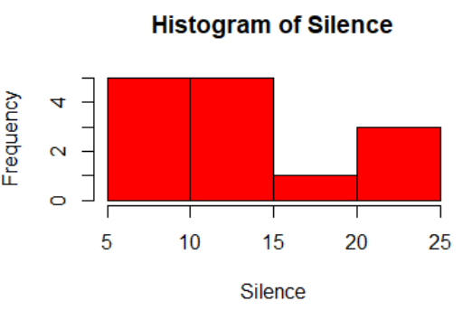
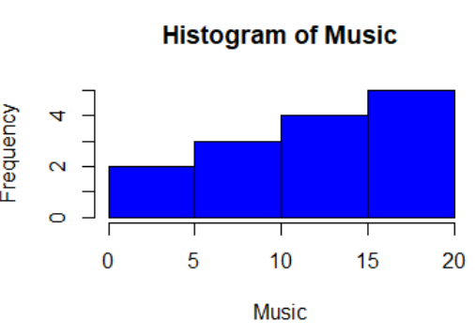
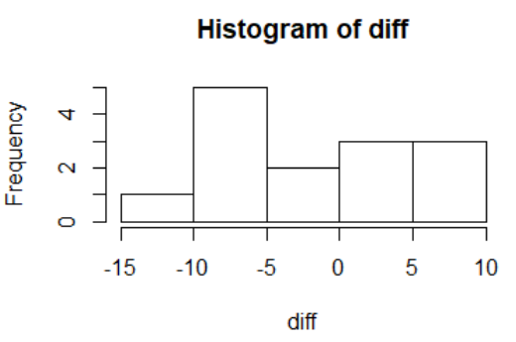
8 | 10 | 15 | -5 | 90% confi interval |  | < 0.05 or not
9 | 9 | 11 | -2
10 | 11 | 13 | -2 | Table 10.7: Hypothesis test results ( Equal or unequal sample sizes, unequal variances)
11 | 11 | 18 | -7 | Hypothesis | t-value | p-value | Decision
12 | 23 | 16 | 7 | H0:mean(silence)-mean(music) =0 H1:mean(silence)-mean(music) not equal 0
13 | 19 | 12 | 7
14 | 10 | 16 | -6
15
16
17
18
19
20
21
22
23
24

